Key clients
Logo | Name
 | ONGC
 | PDPU
 | Statue of unity
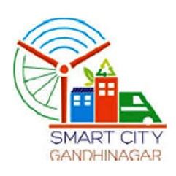 | Smart city gandhinagar
 | Gujarat Urban development company ltd

